Reports to Change Form
 | Approval:
 |  |  | Name |  | Date |  |  |  | Note: This form is used to notify Human Resources of changes which affect the noted areas. Human Resources (personnel) upon receipt of the form will make the required changes in the BANNER system. Please check the information for accuracy prior to submission.
 | Submitted by:
 |  |  | Name |  | Date
 | Human Resources Foothill-De Anza CCD Administrator OR Supervisor Change Form
 | 1. Liquid Office Time Report 2. Online Faculty Leave Report 3. Evaluation 4. Procards *The reports to information needs updated accordingly
FOR HUMAN RESOURCES:
DATE RECEIVED:

 | To be completed by CAMPUS: |  |  |  | To be completed by CAMPUS: |  |  |  | EFFECTIVE DATE | FOR HR/PAYROLL use only
 |  |  |  |  | REPORTS TO CHANGE Administrator or Supervisor Information |  |  |  |  | SUPPLEMENTAL DATA PEAEMPL (Administrator in charge of Division: Faculty Leave Division-A division can have only one approver)
 | EMPLOYEE INFORMATION |  |  |  | CHANGE FROM: Administrator or Supervisor |  | CHANGE TO: Administrator or Supervisor |  |  | CHANGE FROM: |  | CHANGE TO:
# | CWID # | NAME | Position# (POSN) | E-Class | CWID #/Name | Position# (POSN) | CWID # | Position# (POSN) |  | Administrator (CWID#/Name) | Faculty Leave Division | Administrator (CWID#/Name) | Faculty Leave Division
example | 20220702 | Doe, Jane | 123456 | C1 | 20220123/Smith, Jane | 654321 | 20124567/Ross, James | 456789 | 2022-03-01 | 20220123/Smith, Jane | 1LA | 20124567/Ross, James | 1LA
1
2
3
4
5
6
7
8
9
10
11
12
13
14
15
16
17
18
19
20

Reports to Change Form (update)
 |  | Approval:
 |  |  |  |  |  | Date |  |  |  | Note: This form is used to notify Human Resources of changes which affect the noted areas. Human Resources (personnel) upon receipt of the form will make the required changes in the BANNER system. Please check the information for accuracy prior to submission.
 |  | Submitted by:
 |  |  |  |  |  | Date
 |  | Human Resources Foothill-De Anza CCD Administrator OR Supervisor Change Form
 |  | 1. Liquid Office Time Report 2. Online Faculty Leave Report 3. Evaluation 4. Procards *The reports to information needs updated accordingly
FOR HUMAN RESOURCES:
DATE RECEIVED:

 | To be completed by CAMPUS: |  |  |  |  | To be completed by CAMPUS: |  |  |  | EFFECTIVE DATE | To be completed by Campus for Faculty:
 |  |  |  |  |  | REPORTS TO CHANGE Administrator or Supervisor Information |  |  |  |  | SUPPLEMENTAL DATA PEAEMPL (Administrator in charge of Division: Faculty Leave Division-A division can have only one approver)
 | EMPLOYEE INFORMATION |  |  |  |  | CHANGE FROM: Administrator or Supervisor |  | CHANGE TO: Administrator or Supervisor |  |  | CHANGE FROM: |  | CHANGE TO:
# | Position# (POSN) | CWID # | Last Name | First Name | E-Class | CWID #/Name | Position# (POSN) | CWID # | Position# (POSN) |  | Administrator (CWID#/Name) | Faculty Leave Division | Administrator (CWID#/Name) | Faculty Leave Division
example | 123456 | 20220702 | Doe | Jane | C1 | 20220123/Smith, Jane | 654321 | 20124567/Ross, James | 456789 | 2022-03-01 | 20220123/Smith, Jane | 1LA | 20124567/Ross, James | 1LA
1
2
3
4
5
6
7
8
9
10
11
12
13
14
15
16
17
18
19
20

BANNER FORM EXAMPLE
EXAMPLES OF BANNER FORMS TO BE CHANGE BY HUMAN RESOURCES ONLY:
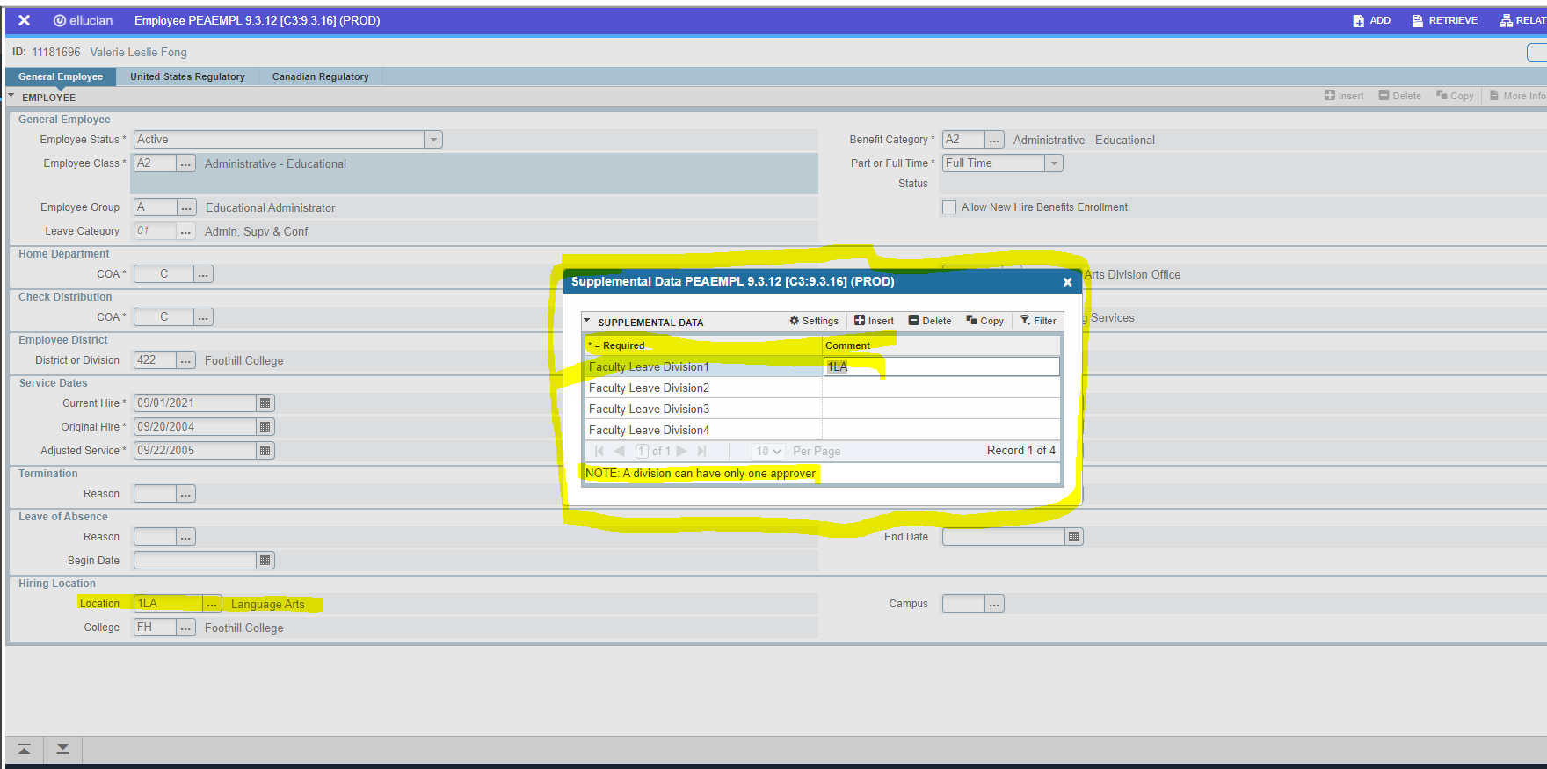

Hiring Location is not always same however it should be reviewed and confirmed.

